Sheet1
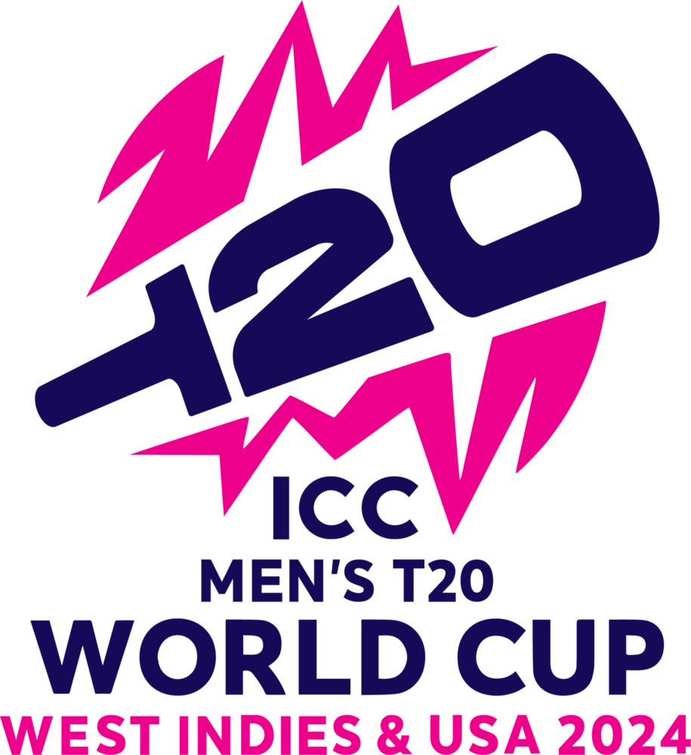
 | Sum of Wickets | Sum of Strike Rate | No of players
AFGHANISTAN | 44 | 33.66 | 3
AUSTRALIA | 13 | 12.92 | 1
BANGLADESH | 25 | 24.42 | 2
INDIA | 43 | 36.07 | 3
SOUTH AFRICA | 50 | 52.75 | 4
WEST INDIES | 24 | 22.3 | 2
Position | Team | Player | Matches | Overs | Strike Rate | Wickets
1 | AFGHANISTAN | Fazalhaq FAROOQI | 8 | 25.2 | 8.94 | 17
2 | INDIA | Arshdeep SINGH | 8 | 30 | 10.58 | 17
3 | INDIA | Jasprit BUMRAH | 8 | 29.4 | 11.86 | 15
4 | SOUTH AFRICA | Anrich NORTJE | 9 | 35 | 14 | 15
5 | AFGHANISTAN | Rashid KHAN | 8 | 29 | 12.42 | 14
6 | BANGLADESH | Mustafizur REHAM | 7 | 22 | 11.33 | 14
7 | AFGHANISTAN | Naveen-ul-Haq | 8 | 26.4 | 12.3 | 13
8 | SOUTH AFRICA | Kagiso RABADA | 9 | 31 | 14.3 | 13 | MEN T20 WORLDCUP STATS
9 | AUSTRALIA | Adam ZAMPA | 7 | 28 | 12.92 | 13
10 | WEST INDIES | Alzarri JOSEPH | 7 | 24.3 | 11.3 | 13 |  | Row Labels | Sum of Wickets | Sum of Strike Rate | No of players
11 | BANGLADESH | Tanzim HASAN SAKIB | 7 | 24 | 13.09 | 11 |  | AFGHANISTAN | 44 | 33.66 | 3
12 | SOUTH AFRICA | Keshav MAHARAJ | 8 | 28 | 15.27 | 11 |  | AUSTRALIA | 13 | 12.92 | 1
13 | WEST INDIES | Andre RUSSELL | 7 | 20.1 | 11 | 11 |  | BANGLADESH | 25 | 24.42 | 2
14 | SOUTH AFRICA | Tabraiz SHAMSI | 5 | 16.5 | 9.18 | 11 |  | INDIA | 43 | 36.07 | 3
15 | INDIA | Hardik PANDYA | 7 | 25 | 13.63 | 11 |  | SOUTH AFRICA | 50 | 52.75 | 4
 |  |  |  |  |  |  |  | WEST INDIES | 24 | 22.3 | 2
 |  |  |  |  |  |  |  | Grand Total | 199 | 182.12 | 15

Sheet2
Position | Team | Player | Matches | Innings | Bat Avg | Runs
1 | AFGHANISTAN | Rahmanullah GURBAZ | 8 | 8 | 35.12 | 281
2 | INDIA | Rohit SHARMA | 8 | 8 | 36.71 | 257
Total Runs Scored vs Batting Average
 | Sum of Bat Avg | Sum of Runs | No of Players
AFGHANISTAN | 63.99 | 512 | 2
AUSTRALIA | 114.41 | 602 | 3
ENGLAND | 80.4 | 402 | 2
INDIA | 89.55 | 627 | 3
SOUTH AFRICA | 86.82 | 602 | 3
USA | 43.8 | 219 | 1
WEST INDIES | 38 | 228 | 1
3 | AUSTRALIA | Travis HEAD | 7 | 7 | 42.5 | 255
4 | SOUTH AFRICA | Quinton DE KOCK | 9 | 9 | 27 | 243
5 | AFGHANISTAN | Ibrahim ZADRAN | 8 | 8 | 28.87 | 231
6 | WEST INDIES | Nicholas POORAN | 7 | 7 | 38 | 228
7 | USA | Andries GOUS | 6 | 6 | 43.8 | 219
8 | ENGLAND | Jos BUTTLER | 8 | 7 | 42.8 | 214
9 | INDIA | Suryakumar YADAV | 8 | 8 | 28.42 | 199 | MEN T20 WORLD CUP SUMMARY
10 | SOUTH AFRICA | Heinrich KLAASEN | 9 | 8 | 31.66 | 190 |  | Row Labels | Sum of Bat Avg | Sum of Runs | No of Players
11 | ENGLAND | Phil SALT | 8 | 7 | 37.6 | 188 |  | AFGHANISTAN | 63.99 | 512 | 2
12 | AUSTRALIA | David WARNER | 7 | 7 | 29.66 | 178 |  | AUSTRALIA | 114.41 | 602 | 3
13 | INDIA | Rishabh PANT | 8 | 8 | 24.42 | 171 |  | ENGLAND | 80.4 | 402 | 2
14 | AUSTRALIA | Marcus STOINIS | 7 | 5 | 42.25 | 169 |  | INDIA | 89.55 | 627 | 3
15 | SOUTH AFRICA | David MILLER | 9 | 8 | 28.16 | 169 |  | SOUTH AFRICA | 86.82 | 602 | 3
 |  |  |  |  |  |  |  | USA | 43.8 | 219 | 1
 |  |  |  |  |  |  |  | WEST INDIES | 38 | 228 | 1
 |  |  |  |  |  |  |  | Grand Total | 516.97 | 3192 | 15

Count of players from a country
 | Total
AFGHANISTAN | 2
AUSTRALIA | 3
ENGLAND | 2
INDIA | 3
SOUTH AFRICA | 3
USA | 1
WEST INDIES | 1

Sheet3
Percentage of matches won
Position | Team | Win % | Matches | Wins | Lost | Lost %
1 | INDIA | 100 | 8 | 8 | 0 | 0.00
2 | SOUTH AFRICA | 88.89 | 9 | 8 | 1 | 11.11
3 | WEST INDIES | 71.43 | 7 | 5 | 2 | 28.57
3 | AUSTRALIA | 71.43 | 7 | 5 | 2 | 28.57
5 | AFGHANISTAN | 62.5 | 8 | 5 | 3 | 37.50
6 | ENGLAND | 50 | 8 | 4 | 3 | 37.50
7 | SCOTLAND | 50 | 4 | 2 | 1 | 25.00
8 | NEW ZEALAND | 50 | 4 | 2 | 2 | 50.00
8 | PAKISTAN | 50 | 4 | 2 | 2 | 50.00
10 | BANGLADESH | 42.86 | 7 | 3 | 4 | 57.14
11 | USA | 33.33 | 6 | 2 | 4 | 66.67
12 | SRI LANKA | 33.33 | 3 | 1 | 2 | 66.67
13 | CANADA | 33.33 | 3 | 1 | 2 | 66.67
14 | NETHERLANDS | 25 | 4 | 1 | 3 | 75.00
15 | NAMIBIA | 25 | 4 | 1 | 3 | 75.00

Percentage of matches Lost

Sheet4
Total Matches Hosted
 |  |  |  |  |  |  |  |  |  |  |  |  |  |  |  |  |  | Standings of Upmire in ICC T20 World Cup |  |  |  | Number of Matches Hosted by different stadiums in USA & WI
season | team1 | team2 | date | match_number | venue | city | toss_winner | toss_decision | player_of_match | umpire1 | umpire2 | reserve_umpire | match_referee | winner | winner_runs | winner_wickets | match_type
2024 | Canada | United States of America | 2024-06-01 | 1 | Grand Prairie Stadium | Dallas | United States of America | field | Aaron Jones | RK Illingworth | Sharfuddoula | L Rusere | RB Richardson | United States of America |  | 7 | Group | Upmire name | Matches Upmired | Upmire Name | Matches Upmired | Row Labels | Count of winner
2024 | Papua New Guinea | West Indies | 2024-06-02 | 2 | Providence Stadium | Providence | West Indies | field | RL Chase | AT Holdstock | Rashid Riaz | HDPK Dharmasena | AJ Pycroft | West Indies |  | 5 | Group | A Paleker | 1 | Ahsan Raza | 2 | Final | 1
2024 | Oman | Namibia | 2024-06-02 | 3 | Kensington Oval | Bridgetown | Namibia | field | D Wiese | J Madanagopal | JS Wilson | Asif Yaqoob | RS Madugalle | Namibia |  |  | Group | AG Wharf | 1 | CM Brown | 1 | Bridgetown | 1
2024 | Sri Lanka | South Africa | 2024-06-03 | 4 | Nassau County International Cricket Stadium | New York | Sri Lanka | bat | A Nortje | CM Brown | RA Kettleborough | AG Wharf | JJ Crowe | South Africa |  | 6 | Group | CB Gaffaney | 1 | J Madanagopal | 1 | Group | 47
2024 | Afghanistan | Uganda | 2024-06-03 | 5 | Providence Stadium | Providence | Uganda | field | Fazalhaq Farooqi | Ahsan Raza | HDPK Dharmasena | Rashid Riaz | AJ Pycroft | Afghanistan | 125 |  | Group | CM Brown | 2 | L Rusere | 1 | Bridgetown | 7
2024 | Scotland | England | 2024-06-04 | 6 | Kensington Oval | Bridgetown | Scotland | bat |  | Asif Yaqoob | Nitin Menon | J Madanagopal | RS Madugalle | No Result |  |  | Group | HDPK Dharmasena | 4 | Grand Total | 5 | Dallas | 3
2024 | Nepal | Netherlands | 2024-06-04 | 7 | Grand Prairie Stadium | Dallas | Netherlands | field | TJG Pringle | L Rusere | RJ Tucker | RK Illingworth | RB Richardson | Netherlands |  | 6 | Group | J Madanagopal | 1 |  |  | Gros Islet | 6
2024 | Ireland | India | 2024-06-05 | 8 | Nassau County International Cricket Stadium | New York | India | field | JJ Bumrah | AG Wharf | CB Gaffaney | CM Brown | DC Boon | India |  | 8 | Group | JS Wilson | 4 |  |  | Kingstown | 5
2024 | Papua New Guinea | Uganda | 2024-06-05 | 9 | Providence Stadium | Providence | Uganda | field | Riazat Ali Shah | AT Holdstock | Rashid Riaz | HDPK Dharmasena | J Srinath | Uganda |  | 3 | Group | L Rusere | 2 |  |  | Lauderhill | 1
2024 | Australia | Oman | 2024-06-05 | 10 | Kensington Oval | Bridgetown | Oman | field | MP Stoinis | Asif Yaqoob | JS Wilson | Nitin Menon | RS Madugalle | Australia | 39 |  | Group | MA Gough | 4 |  |  | New York | 8
2024 | Pakistan | United States of America | 2024-06-06 | 11 | Grand Prairie Stadium | Dallas | United States of America | field | MD Patel | A Paleker | MA Gough | RJ Tucker | JJ Crowe | United States of America |  |  | Group | Nitin Menon | 5 |  |  | North Sound | 8
2024 | Namibia | Scotland | 2024-06-06 | 12 | Kensington Oval | Bridgetown | Namibia | bat | MA Leask | J Madanagopal | Nitin Menon | JS Wilson | AJ Pycroft | Scotland |  | 5 | Group | PR Reiffel | 3 |  |  | Providence | 5
2024 | Canada | Ireland | 2024-06-07 | 13 | Nassau County International Cricket Stadium | New York | Ireland | field | NR Kirton | RA Kettleborough | SJ Nogajski | CB Gaffaney | RB Richardson | Canada | 12 |  | Group | RA Kettleborough | 3 |  |  | Tarouba | 4
2024 | Afghanistan | New Zealand | 2024-06-07 | 14 | Providence Stadium | Providence | New Zealand | field | Rahmanullah Gurbaz | Ahsan Raza | HDPK Dharmasena | AT Holdstock | J Srinath | Afghanistan | 84 |  | Group | Rashid Riaz | 4 |  |  | Semi Final | 2
2024 | Sri Lanka | Bangladesh | 2024-06-07 | 15 | Grand Prairie Stadium | Dallas | Bangladesh | field | Rishad Hossain | MA Gough | PR Reiffel | RJ Tucker | JJ Crowe | Bangladesh |  | 2 | Group | RJ Tucker | 6 |  |  | Providence | 1
2024 | Netherlands | South Africa | 2024-06-08 | 16 | Nassau County International Cricket Stadium | New York | South Africa | field | DA Miller | CB Gaffaney | Sharfuddoula | SJ Nogajski | DC Boon | South Africa |  | 4 | Group | RK Illingworth | 4 |  |  | Tarouba | 1
2024 | Australia | England | 2024-06-08 | 17 | Kensington Oval | Bridgetown | England | field | A Zampa | JS Wilson | Nitin Menon | J Madanagopal | AJ Pycroft | Australia | 36 |  | Group | Sharfuddoula | 3 |  |  | Grand Total | 50
2024 | West Indies | Uganda | 2024-06-08 | 18 | Providence Stadium | Providence | West Indies | bat | AJ Hosein | HDPK Dharmasena | Rashid Riaz | Ahsan Raza | J Srinath | West Indies | 134 |  | Group | SJ Nogajski | 4
2024 | India | Pakistan | 2024-06-09 | 19 | Nassau County International Cricket Stadium | New York | Pakistan | field | JJ Bumrah | RK Illingworth | RJ Tucker | Sharfuddoula | DC Boon | India | 6 |  | Group | Grand Total | 52
2024 | Oman | Scotland | 2024-06-09 | 20 | Sir Vivian Richards Stadium | North Sound | Oman | bat | BJ McMullen | A Paleker | CM Brown | AG Wharf | RB Richardson | Scotland |  | 7 | Group
2024 | South Africa | Bangladesh | 2024-06-10 | 21 | Nassau County International Cricket Stadium | New York | South Africa | bat | H Klaasen | RK Illingworth | SJ Nogajski | PR Reiffel | RS Madugalle | South Africa | 4 |  | Group
2024 | Canada | Pakistan | 2024-06-11 | 22 | Nassau County International Cricket Stadium | New York | Pakistan | field | Mohammad Amir | AT Holdstock | HDPK Dharmasena | PR Reiffel | RS Madugalle | Pakistan |  | 7 | Group
2024 | Namibia | Australia | 2024-06-11 | 24 | Sir Vivian Richards Stadium | North Sound | Australia | field | A Zampa | Nitin Menon | Rashid Riaz | A Paleker | J Srinath | Australia |  | 9 | Group
2024 | United States of America | India | 2024-06-12 | 25 | Nassau County International Cricket Stadium | New York | India | field | Arshdeep Singh | PR Reiffel | SJ Nogajski | AT Holdstock | RS Madugalle | India |  | 7 | Group
2024 | West Indies | New Zealand | 2024-06-12 | 26 | Brian Lara Stadium | Tarouba | New Zealand | field | SE Rutherford | Ahsan Raza | AG Wharf | MA Gough | DC Boon | West Indies | 13 |  | Group
2024 | Bangladesh | Netherlands | 2024-06-13 | 27 | Arnos Vale Ground | Kingstown | Netherlands | field | Shakib Al Hasan | CM Brown | J Madanagopal | JS Wilson | RB Richardson | Bangladesh | 25 |  | Group
2024 | Oman | England | 2024-06-13 | 28 | Sir Vivian Richards Stadium | North Sound | England | field | AU Rashid | Asif Yaqoob | L Rusere | Rashid Riaz | AJ Pycroft | England |  | 8 | Group
2024 | Papua New Guinea | Afghanistan | 2024-06-13 | 29 | Brian Lara Stadium | Tarouba | Afghanistan | field | Fazalhaq Farooqi | AG Wharf | MA Gough | Ahsan Raza | DC Boon | Afghanistan |  | 7 | Group
2024 | South Africa | Nepal | 2024-06-14 | 31 | Arnos Vale Ground | Kingstown | Nepal | field | T Shamsi | J Madanagopal | JS Wilson | SJ Nogajski | RB Richardson | South Africa | 1 |  | Group
2024 | Uganda | New Zealand | 2024-06-14 | 32 | Brian Lara Stadium | Tarouba | New Zealand | field | TG Southee | PR Reiffel | RK Illingworth | Ahsan Raza | DC Boon | New Zealand |  | 9 | Group
2024 | England | Namibia | 2024-06-15 | 34 | Sir Vivian Richards Stadium | North Sound | Namibia | field | HC Brook | AT Holdstock | L Rusere | Nitin Menon | RS Madugalle | England | 41 |  | Group
2024 | Scotland | Australia | 2024-06-15 | 35 | Daren Sammy National Cricket Stadium | Gros Islet | Australia | field | MP Stoinis | Asif Yaqoob | MA Gough | A Paleker | JJ Crowe | Australia |  | 5 | Group
2024 | Ireland | Pakistan | 2024-06-16 | 36 | Central Broward Regional Park Stadium Turf Ground | Lauderhill | Pakistan | field | Shaheen Shah Afridi | CB Gaffaney | RJ Tucker | RA Kettleborough | J Srinath | Pakistan |  | 3 | Group
2024 | Bangladesh | Nepal | 2024-06-16 | 37 | Arnos Vale Ground | Kingstown | Nepal | field | Tanzim Hasan Sakib | Ahsan Raza | SJ Nogajski | HDPK Dharmasena | RB Richardson | Bangladesh | 21 |  | Group
2024 | Sri Lanka | Netherlands | 2024-06-16 | 38 | Daren Sammy National Cricket Stadium | Gros Islet | Netherlands | field | KIC Asalanka | AG Wharf | A Paleker | Asif Yaqoob | JJ Crowe | Sri Lanka | 83 |  | Group
2024 | Papua New Guinea | New Zealand | 2024-06-17 | 39 | Brian Lara Stadium | Tarouba | New Zealand | field | LH Ferguson | L Rusere | PR Reiffel | RK Illingworth | DC Boon | New Zealand |  | 7 | Group
2024 | West Indies | Afghanistan | 2024-06-17 | 40 | Daren Sammy National Cricket Stadium | Gros Islet | Afghanistan | field | N Pooran | A Paleker | CM Brown | MA Gough | JJ Crowe | West Indies | 104 |  | Group
2024 | South Africa | United States of America | 2024-06-19 | 41 | Sir Vivian Richards Stadium | North Sound | United States of America | field | Q de Kock | CB Gaffaney | RA Kettleborough | L Rusere | RS Madugalle | South Africa | 18 |  | Group
2024 | West Indies | England | 2024-06-19 | 42 | Daren Sammy National Cricket Stadium | Gros Islet | England | field | PD Salt | Ahsan Raza | Nitin Menon | CM Brown | JJ Crowe | England |  | 8 | Group
2024 | India | Afghanistan | 2024-06-20 | 43 | Kensington Oval | Bridgetown | India | bat | SA Yadav | PR Reiffel | RJ Tucker | AG Wharf | DC Boon | India | 47 |  | Group
2024 | Bangladesh | Australia | 2024-06-20 | 44 | Sir Vivian Richards Stadium | North Sound | Australia | field | PJ Cummins | MA Gough | RK Illingworth | AT Holdstock | RB Richardson | Australia | 28 |  | Group
2024 | South Africa | England | 2024-06-21 | 45 | Daren Sammy National Cricket Stadium | Gros Islet | England | field | Q de Kock | CM Brown | Sharfuddoula | CB Gaffaney | JJ Crowe | South Africa | 7 |  | Group
2024 | United States of America | West Indies | 2024-06-21 | 46 | Kensington Oval | Bridgetown | West Indies | field | RL Chase | A Paleker | PR Reiffel | AG Wharf | DC Boon | West Indies |  | 9 | Group
2024 | India | Bangladesh | 2024-06-22 | 47 | Sir Vivian Richards Stadium | North Sound | Bangladesh | field | HH Pandya | AT Holdstock | MA Gough | RA Kettleborough | RS Madugalle | India | 50 |  | Group
2024 | Afghanistan | Australia | 2024-06-22 | 48 | Arnos Vale Ground | Kingstown | Australia | field | Gulbadin Naib | Ahsan Raza | HDPK Dharmasena | Nitin Menon | JJ Crowe | Afghanistan | 21 |  | Group
2024 | United States of America | England | 2024-06-23 | 49 | Kensington Oval | Bridgetown | England | field | AU Rashid | CB Gaffaney | JS Wilson | A Paleker | DC Boon | England |  | 10 | Group
2024 | West Indies | South Africa | 2024-06-23 | 50 | Sir Vivian Richards Stadium | North Sound | South Africa | field | T Shamsi | AG Wharf | RJ Tucker | Sharfuddoula | RS Madugalle | South Africa |  | 3 | Group
2024 | India | Australia | 2024-06-24 | 51 | Daren Sammy National Cricket Stadium | Gros Islet | Australia | field | RG Sharma | RK Illingworth | RA Kettleborough | HDPK Dharmasena | JJ Crowe | India | 24 |  | Group
2024 | Afghanistan | Bangladesh | 2024-06-24 | 52 | Arnos Vale Ground | Kingstown | Afghanistan | bat | Naveen-ul-Haq | L Rusere | Nitin Menon | Ahsan Raza | RB Richardson | Afghanistan | 8 |  | Group
2024 | Afghanistan | South Africa | 2024-06-26 | 53 | Brian Lara Stadium | Tarouba | Afghanistan | bat | M Jansen | Nitin Menon | RK Illingworth | Ahsan Raza | RB Richardson | South Africa |  | 9 | Semi Final
2024 | India | England | 2024-06-27 | 54 | Providence Stadium | Providence | England | field | AR Patel | CB Gaffaney | RJ Tucker | PR Reiffel | JJ Crowe | India | 68 |  | Semi Final
2024 | India | South Africa | 2024-06-29 | 55 | Kensington Oval | Bridgetown | India | bat | V Kohli | CB Gaffaney | RK Illingworth | RJ Tucker | RB Richardson | India | 7 |  | Final

Sheet5
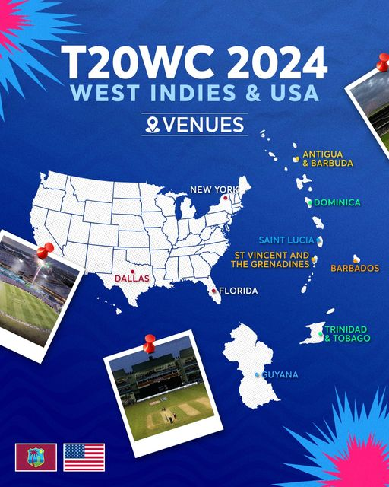



Row Labels | Count of winner
Arnos Vale Ground | 5
Brian Lara Stadium | 5
Central Broward Regional Park Stadium Turf Ground | 1
Daren Sammy National Cricket Stadium | 6
Grand Prairie Stadium | 3
Kensington Oval | 8
Nassau County International Cricket Stadium | 8
Providence Stadium | 6
Sir Vivian Richards Stadium | 8
Grand Total | 50

Sheet6
TOSS WIN(%)
 |  |  | SUPER 8 TEAMS STASTICS | TEAMS | STATISTICS
Country | Match Won | Toss Won | Bat | Field | Win Bat | Win Field | Toss Win(%) | Match Win(%) | Total Matches Played | Win Bat(%) | Win field(%)
AFGHANISTAN | 5 | 4 | 2 | 2 | 1 | 4 | 57.14 | 71.43 | 7 | 14.29 | 57.14
INDIA | 8 | 4 | 2 | 2 | 2 | 6 | 50.00 | 100.00 | 8 | 25.00 | 75.00
AUSTRALIA | 5 | 5 | 0 | 5 | 0 | 5 | 71.43 | 71.43 | 7 | 0.00 | 71.43
SOUTH AFRICA | 8 | 3 | 1 | 2 | 3 | 5 | 33.33 | 88.89 | 9 | 33.33 | 55.56
BANGLADESH | 3 | 2 | 0 | 2 | 0 | 3 | 28.57 | 42.86 | 7 | 0.00 | 42.86
WEST INDIES | 5 | 3 | 1 | 2 | 1 | 4 | 42.86 | 71.43 | 7 | 14.29 | 57.14
USA | 2 | 3 | 0 | 3 | 0 | 2 | 50.00 | 33.33 | 6 | 0.00 | 33.33
ENGLAND | 4 | 6 | 0 | 6 | 0 | 4 | 75.00 | 50.00 | 8 | 0.00 | 50.00
SRI LANKA | 1 | 1 | 1 | 0 | 0 | 1 | 33.33 | 33.33 | 3 | 0.00 | 33.33
TEAMS WIN(%) |  |  |  |  |  |  |  |  |  | 9.66 | 52.87

TOSS STATS

Sheet7
 |  |  | INDIA |  |  | SOUTH AFRICA



MATCHES WON |  | MATCHES PLAYED |  | WIN(%) | MATCHES WON |  | MATCHES PLAYED |  | WIN(%)
8 |  | 8 |  | 100 | 8 |  | 9 |  | 88.96

 | BATTING STATS |  |  |  |  |  |  | BATTING STATS

 | Sum of Matches | Sum of Runs | Sum of Bat Avg
Rishabh PANT | 8 | 171 | 24.42
Rohit SHARMA | 8 | 257 | 36.71
Suryakumar YADAV | 8 | 199 | 28.42
 | Sum of Matches | Sum of Runs | Sum of Bat Avg
David MILLER | 9 | 169 | 28.16
Heinrich KLAASEN | 9 | 190 | 31.66
Quinton DE KOCK | 9 | 243 | 27

